Sheet1
 | patience
Epochs | patience | verbose | MSE | RMSE | MAE | Graph
100 | 10 | 1 | 64.26 | 8.02 | 5.14 | 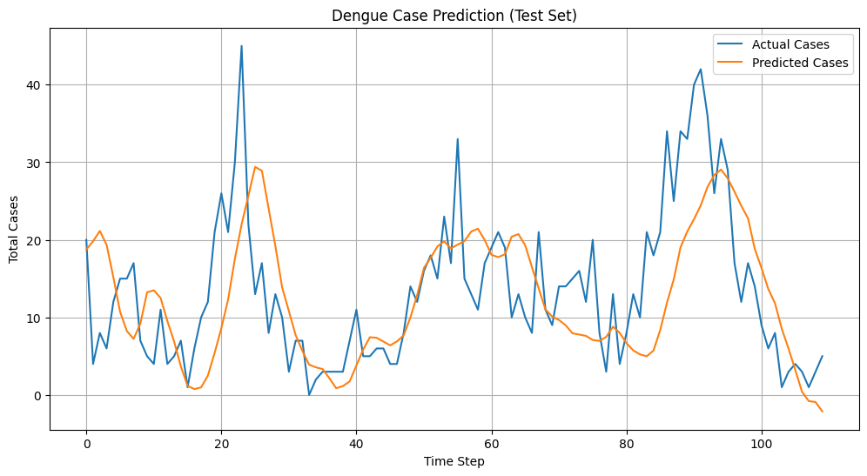
100 | 10 | 1 | 60 to 70 | 8.52 | 5 to 6 | 
150 | 15 | 4 |  |  |  | 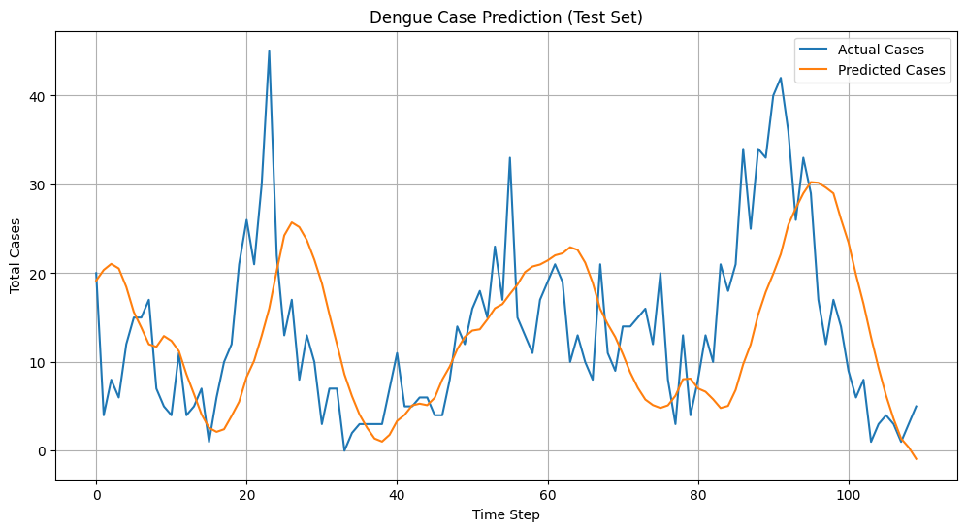
150 | 25 | 3 | 73.87 | 8.59 | 6.8 | 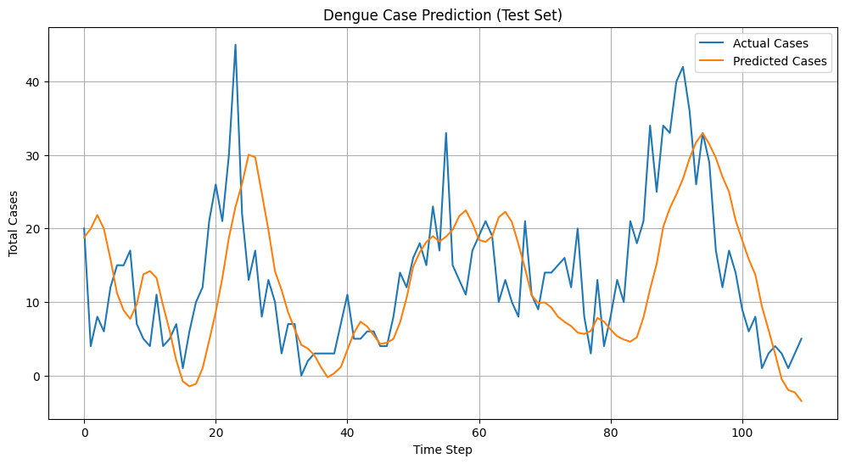
New Final file code
100 | 15 | 1 | 105.94 | 10.29 | 6.85 | 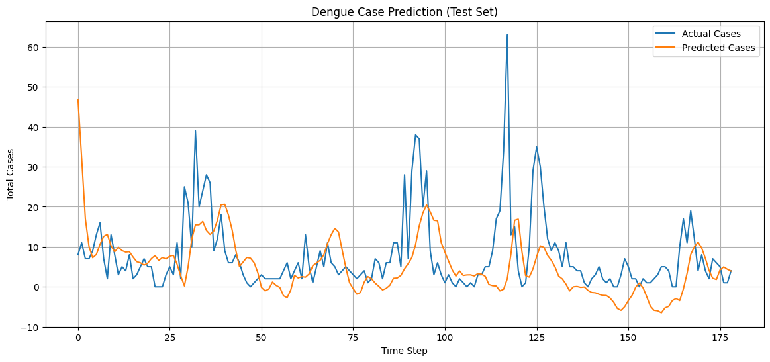
150 | 25 | 2 | 84.44 | 9.19 | 5.71 | 